JACQUEMUS BAGS AVAILABILITY
PHOTO | Style Name | Style Number | Ean | Color | Materials | Description | Available Sizes | Q.TY | RRP | WHS | YOUR PRICE | TOT OFFER
 | LE GRAND BAMBINO | 213BA007-3000- 990 | 3700943884589 | BLACK | 100% COTON 100% COW LEATHER | Bags / Top-handle bag / Women | OS | 59 | € 820.00 | € 372.73 | € 355.60 | € 20,980.40
 | LE GRAND BAMBINO | 213BA007-3000- 99S | 3700943329530 | BLACK/SILV ER | 100% COTON 100% COW LEATHER | Bags / Top-handle bag / Women | OS | 38 | € 820.00 | € 372.73 | € 355.60 | € 13,512.80
 | LE GRAND BAMBINO | 213BA007-3072- 811 | 3700943269072 | LIGHT BROWN 2 | 100% COTON 100% COW LEATHER | Bags / Top-handle bag / Women | OS | 30 | € 820.00 | € 372.73 | € 355.60 | € 10,668.00
 | LE GRAND BAMBINO | 213BA007-3100- 850 | 3700943211521 | BROWN | 100% vacchetta /Fodera: 100% cotone | Bags / Top-handle bag / Women | OS | 25 | € 820.00 | € 372.73 | € 355.60 | € 8,890.00
 | LE GRAND BAMBINO | 213BA007-3000- 100 | 3700943884565 | WHITE | 100% COTON 100% COW LEATHER | Bags / Top-handle bag / Women | OS | 10 | € 820.00 | € 372.73 | € 355.60 | € 3,556.00
 | LE GRAND BAMBINO | 213BA007-3000- 120 | 3700943108395 | IVORY | 100% COTON 100% CALFSKIN | Bags / Top-handle bag / Women | OS | 23 | € 820.00 | € 372.73 | € 355.60 | € 8,178.80
 | LE GRAND BAMBINO | 213BA007-3100- 560 | 3700943211507 | KHAKI | 100% COTON 100% CALFSKIN | Bags / Top-handle bag / Women | OS | 29 | € 820.00 | € 372.73 | € 355.60 | € 10,312.40
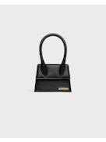 | LE CHIQUITO MOYEN | 213BA002-3000- 990 | 3700943884213 | BLACK | 100% COTON 100% COW LEATHER | Bags / Top-handle bag / Women | OS | 49 | € 720.00 | € 328.00 | € 312.90 | € 15,332.10
 | LE CHIQUITO MOYEN | 213BA002-3000- 100 | 3700943884190 | WHITE | 100% COTON 100% COW LEATHER | Bags / Top-handle bag / Women | OS | 15 | € 720.00 | € 328.00 | € 312.90 | € 4,693.50
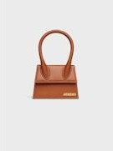 | LE CHIQUITO MOYEN | 213BA002-3072- 811 | 3700943269027 | LIGHT BROWN 2 | 100% COTON 100% COW LEATHER | Bags / Top-handle bag / Women | OS | 22 | € 720.00 | € 328.00 | € 312.90 | € 6,883.80
 | Il Bambino lungo | BAW00013C1B A01470 | 3700943659422 | RED | 100% pelle di vitello / Interno - 100% cotone | Bags / Top-handle bag / Women | OS | 23 | € 850.00 | € 386.36 | € 368.60 | € 8,477.80
 | Il Bambino lungo | 221BA013-3060- 120 | 3700943189059 | IVORY | 100% vacchetta /interno - 100% cotone | Bags / Top-handle bag / Women | OS | 24 | € 850.00 | € 386.36 | € 368.60 | € 8,846.40
 | Il Bambino lungo | 221BA013-3060- 990 | 3700943012876 | BLACK | 100% vacchetta /interno - 100% cotone | Bags / Top-handle bag / Women | OS | 150 | € 850.00 | € 386.36 | € 368.60 | € 55,290.00
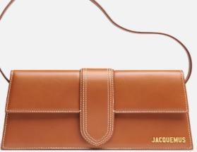 | Il Bambino lungo | 221BA013-3072- 811 | 3700943269089 | LIGHT BROWN2 | 100% vacchetta /interno - 100% cotone | Bags / Top-handle bag / Women | OS | 36 | € 850.00 | € 386.36 | € 368.60 | € 13,269.60
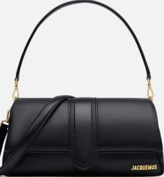 | Il Bambimou | 231BA052-3073- 990 | 3700943213853 | BLACK | 100% pelle di agnello / Interno: 100% cotone | Bags / Top-handle bag / Women | OS | 79 | € 990.00 | € 450.00 | € 429.30 | € 33,914.70
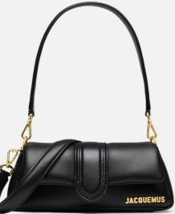 | Il piccolo Bambimou | 233BA355-3073- 990 | 3700943288486 | BLACK | 100% pelle di agnello / Interno: 100% cotone | Bags / Top-handle bag / Women | OS | 119 | € 850.00 | € 386.36 | € 368.60 | € 43,863.40
 |  |  |  |  |  |  |  | 731 |  |  |  | € 266,669.70

